Secondary Graph
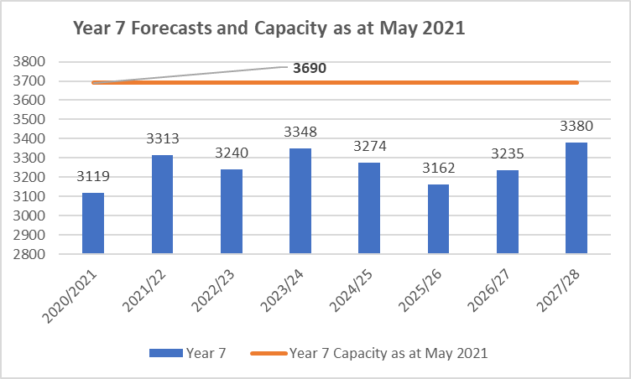

Page 18

Birth Data
Births rolled forward to Reception Year - based on GLA 2021 data
 | Births rolled forward
2015/16 | 3715.5
2016/17 | 3808.5
2017/18 | 3833.6666667
2018/19 | 3697
2019/20 | 3747.5
2020/21 | 3983.1666667
2021/22 | 3884.6666667
2022/23 | 3774.5
2023/24 | 3571.1666667
2024/25 | 3484.2794182
2025/2026 | 3303.7844536
2026/2027 | 3220.2496535
2027/2028 | 3232.5751587
2028/2029 | 3281.0310451
2029/2030 | 3342.2103364
2030/2031 | 3415.2049382
2031/2032 | 3514.6050548
2032/2033 | 3625.1549643
2033/2034 | 3742.5482595
2034/2035 | 3866.9068476
2035/2036 | 3987.2634421
2036/2037 | 4098.7551764

Page 21

